1. Title Page
[Instacart Basket Analysis]

Project Name: Instacart Basket Analysis
Date: 01/03/2024
Analyst Name: Suzan Diab

Contents:
Population Flow
Consistency checks
Wrangling steps
Column derivations
Visualizations
Recommendations

Data Set | Citation | Comments
Instacart | “The Instacart Online Grocery Shopping Dataset 2017”, Accessed from www.instacart.com/datasets/grocery-shopping-2017 via Kaggle on 12/20/2023 | Certain customer data and the "prices" column in the products data set were fabricated for the purpose of this project.
Wikipedia | List of regions of the United States. (2022, May 23). Wikipedia. https://simple.wikipedia.org/wiki/List_of_regions_of_the_United_States | Utilized to group different states into 4 regions to derive a new column.

2. Population Flow
 | Title page

Population flow

Exclusion flag
Condition: max_order <
Obervations to be removed:
Final total count of order_products_all:

Orders_products_combined
Orders_products_merged
Orders_products_all

Total: 32404859
Total: 32434489
Total:
32404859

1.) The grey boxes in the first row of the population flow represent the original data sets as they were when you downloaded them. In the Total fields you need to add the count of the rows when you imported the data set into Jupyter.
2.) The second row of boxes (coloured) represents the data sets after you manipulated them, e.g., removed missing values and duplicates. In the Total fields you need to add the count of the rows after conducting these operations. This offers a visual oveview of how the data flows throughout the data consistency checks.
3.) The third row, where also the arrows are coloured, represents the merges you performed between the datasets. In the Total fields you need to add the count of the rows in the merged datasets, so that you end up with the final dataset (in the red box). Keep in mind the final dataset should be without exclusions (based on the exclusion flag).

3. Consistency checks
 |  |  |  | Title page
Consistency checks

Dataset | Missing values | Missing values treatment | Duplicates
orders | days_since_last_ order: 206,209 values | Left them as is beacuse it just meant that there weren't any days before their first order, so they just haven't ordered again. | No duplicates
products | product_name: 16 values | Filtered out missing values by creating new df | 5 duplicates
orders_products_prior | No missing values | no treatment | No duplicates
customers | No missing values | no treatment | No duplicates

4. Wrangling steps
 |  |  |  |  | Title page
Wrangling steps

Dataset | Columns dropped | Columns renamed | Columns' type changed | Comment/Reason
orders | eval_set | orders_dow days_since_prior_order | order_id (to string) user_id (to string) | dropped because it was unnecessary, renamed to make more interpretable, and column type change to make describe() function ignore these columns when calculating stats
products | None | None | department_id (to string) | to map the department id numbers to their corresponding department names.
orders_products_prior | None | None | None | N/A
customers | first_name last_name | Surnam n_dependants fam_status First Name Gender STATE Age | first_name (to string) | dropped columns in regard to privacy concerns. renamed columns for names to be more interpretable. changed data type because it was mixed.

5. Column derivations
 |  |  |  |  | Title page

Column derivations and aggregations

In this tab you should add tables below of the frequencies of flags/label variables that you produced after deriving them. NB: don't do this for continuous variables, only for flags.
Dataset | New column | Column/s it was derived from | Conditions
ords_prods_merged | price_range_loc | prices | ords_prods_merge.loc[ords_prods_merge['prices'] > 15, 'price_range_loc'] = 'High-range product' ords_prods_merge.loc[(ords_prods_merge['prices'] <= 15) & (ords_prods_merge['prices'] > 5), 'price_range_loc'] = 'Mid-range product' ords_prods_merge.loc[ords_prods_merge['prices'] <= 5, 'price_range_loc'] = 'Low-range product'
ords_prods_merged | busiest_day | orders_day_of_week | for value in ords_prods_merge["orders_day_of_week"]: if value == 0: result.append("Busiest day") elif value == 4: result.append("Least busy") else: result.append("Regularly busy") | 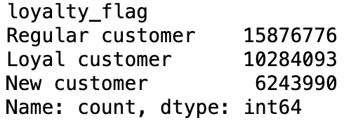
ords_prods_merged | busiest days | orders_day_of_week | for value in ords_prods_merge["orders_day_of_week"]: if value == 0 or value == 1: result.append("Busiest days") elif value == 4 or value == 3: result.append("Slowest days") else: result.append("Regularly busy") |  |  | 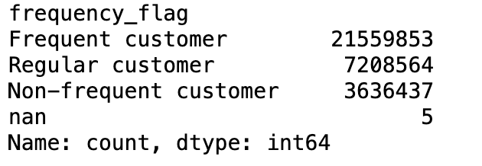
ords_prods_merged | busiest_period_of_day | order_hour_of_day | for value in ords_prods_merge["order_hour_of_day"]: if value == 10 or value == 11 or value == 14 or value == 15 or value == 13 or value == 12 or value == 16 or value == 9: result.append("Most orders") elif value == 17 or value == 8 or value == 18 or value == 19 or value == 20 or value == 7 or value == 21 or value == 22: result.append("Fewest Orders") else: result.append("Average Orders")
ords_prods_merged | max_order | user_id & order_number | ords_prods_merged['max_order'] = ords_prods_merged.groupby(['user_id'])['order_number'].transform(np.max)
ords_prods_merged | loyalty_flag | max_order | ords_prods_merged.loc[ords_prods_merged['max_order'] > 40, 'loyalty_flag'] = 'Loyal customer' ords_prods_merged.loc[(ords_prods_merged['max_order'] <= 40) & (ords_prods_merged['max_order'] > 10), 'loyalty_flag'] = 'Regular customer' ords_prods_merged.loc[ords_prods_merged['max_order'] <= 10, 'loyalty_flag'] = 'New customer'
ords_prods_merged | avg_price_all_orders | user_id & prices | ords_prods_merged['avg_price_all_orders'] = ords_prods_merged.groupby(['user_id'])['prices'].transform(np.mean)
ords_prods_merged | spending_flag | avg_price_all_orders | ords_prods_merged.loc[ords_prods_merged['avg_price_all_orders'] < 10, 'spending_flag'] = 'Low spender' ords_prods_merged.loc[ords_prods_merged['avg_price_all_orders'] >= 10, 'spending_flag'] = 'High spender'
ords_prods_merged | median_days_last_order | user_id & days_since_last_order | ords_prods_merged['median_days_last_order'] = ords_prods_merged.groupby(['user_id'])['days_since_last_order'].transform(np.median)
ords_prods_merged | frequency_flag | median_days_last_order | ords_prods_merged.loc[ords_prods_merged['median_days_last_order'] > 20, 'frequency_flag'] = 'Non-frequent customer' ords_prods_merged.loc[(ords_prods_merged['median_days_last_order'] > 10) & (ords_prods_merged['median_days_last_order'] <= 20), 'frequency_flag'] = 'Regular customer' ords_prods_merged.loc[ords_prods_merged['median_days_last_order'] <= 10, 'frequency_flag'] = 'Frequent customer'
ords_prods_all | region | state | result = [] for value in ords_prods_all['state']: if value in ('Maine', 'New Hampshire', 'Vermont', 'Massachusetts', 'Rhode Island', 'Connecticut', 'New York', 'Pennsylvania', 'New Jersey'): result.append('Northeast') elif value in ('Wisconsin', 'Michigan', 'Illinois', 'Indiana', 'Ohio', 'North Dakota' , 'South Dakota', 'Nebraska', 'Kansas', 'Minnesota', 'Iowa', 'Missouri'): result.append('Midwest') elif value in ('Delaware', 'Maryland', 'District of Columbia', 'Virginia', 'West Virginia', 'North Carolina', 'South Carolina', 'Georgia', 'Florida', 'Kentucky', 'Tennessee', 'Mississippi', 'Alabama', 'Oklahoma', 'Texas', 'Arkansas', 'Louisiana'): result.append('South') elif value in ('Idaho', 'Montana', 'Wyoming', 'Nevada', 'Utah', 'Colorado', 'Arizona', 'New Mexico', 'Alaska', 'Washington', 'Oregon', 'California', 'Hawaii'): result.append('West') else: result.append('Unknown')
ords_prods_all | exclusion_flag | max_order | ords_prods_all['exclusion_flag'] = np.where(ords_prods_all['max_order'] < 5, 'Yes', 'No')
ords_prods_distinct | customer_profiles | age, income, number_of_dependents, and family_status | ords_prods_distinct.loc[ (ords_prods_distinct['age'] >= 18) & \ (ords_prods_distinct['age'] <= 25) & \ (ords_prods_distinct['income'] >= 25903) & \ (ords_prods_distinct['number_of_dependents'] == 0) & \ (ords_prods_distinct['family_status'].isin(['single'])), 'customer_profiles'] = 'Young Single Adult' ords_prods_distinct.loc[ (ords_prods_distinct['age'] >= 18) & \ (ords_prods_distinct['age'] <= 30) & \ (ords_prods_distinct['income'] >= 25903) & \ (ords_prods_distinct['number_of_dependents'] >= 1) & \ (ords_prods_distinct['family_status'].isin(['married'])), 'customer_profiles'] = 'Young Married Parents' ords_prods_distinct.loc[ (ords_prods_distinct['age'] >= 31) & \ (ords_prods_distinct['age'] <= 45) & \ (ords_prods_distinct['income'] >= 25903) & \ (ords_prods_distinct['number_of_dependents'] >= 1) & \ (ords_prods_distinct['family_status'].isin(['married'])), 'customer_profiles'] = 'Middle Aged Parents' ords_prods_distinct.loc[ (ords_prods_distinct['age'] >= 55) & \ (ords_prods_distinct['income'] >= 160000) & \ (ords_prods_distinct['number_of_dependents'] == 0) & \ (ords_prods_distinct['family_status'].isin(['single', 'married','divorced/widowed'])), 'customer_profiles'] = 'Affluent Seniors'

6. Visualizations
Title page

Visualisations

In this tab you should include all the visualtions from Exercises 4.9 and 4.10, alongside the questions from the project brief that they answer. Include any commentary on the relationship between different variables.

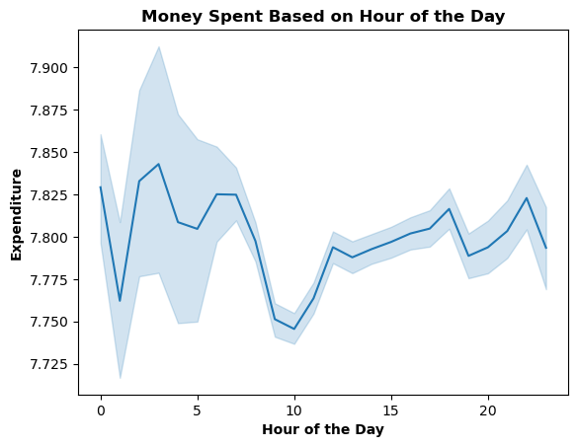
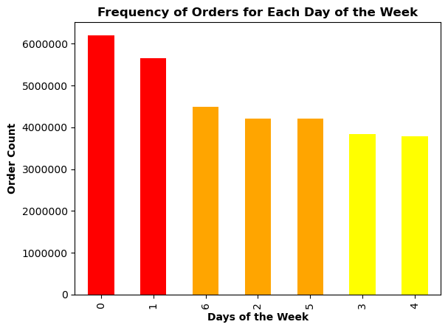
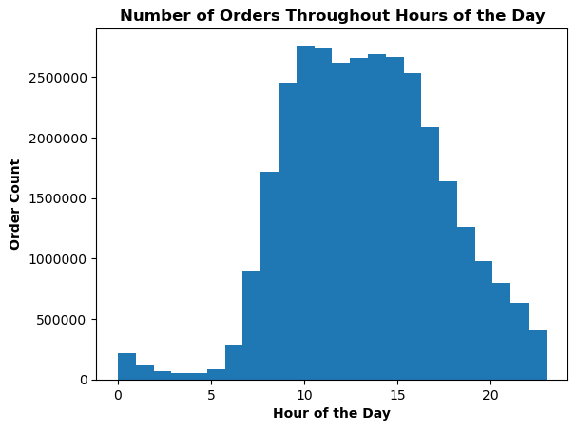
KEY QUESTION 1:
The sales team needs to know what the busiest days of the week are in order to schedule ads at times when there are fewer orders.
KEY QUESTION 1:
The sales team needs to know what the busiest hours of the day are in order to schedule ads at times when there are fewer orders.
KEY QUESTION 2:
They also want to know whether there are particular times of the day when people spend the most money, as this might inform the type of products they advertise at these times.
Days of the Week:
0 = Saturday 4 = Wednesday
1 = Sunday 5 = Thursday
2 = Monday 6 = Friday
3 = Tuesday

Expenditure is highest at 3 am and 10 pm.
Expenditure is lowest at 1 am & 10 am.
Expenditure highest between 10 pm and 7 am.
Slowest hours of the day arefrom 12 am - 6 am
Busiest hours of the day are from 10 am - 4 pm
Most orders placed at 10 am & 11 am

The busiest days of the week are Saturday and Sunday.
The slowest days of the week are Tuesday and Wednesday.

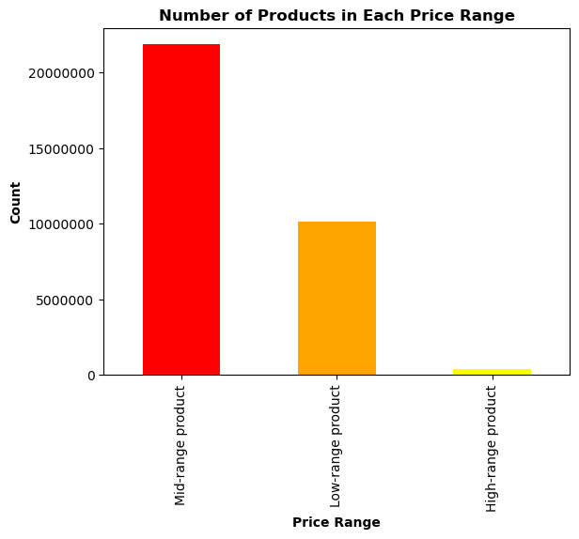
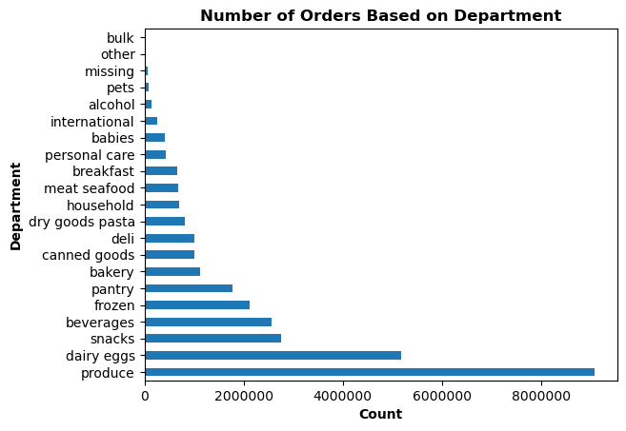
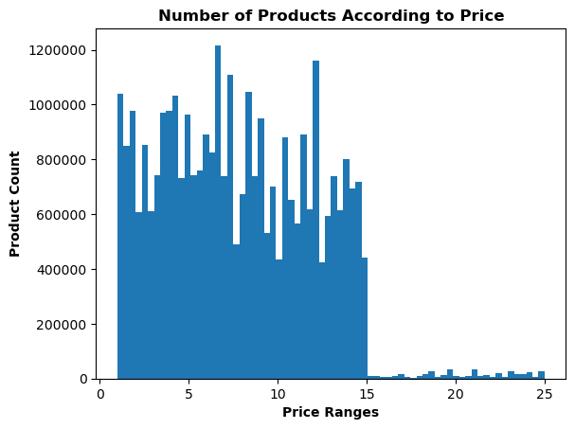
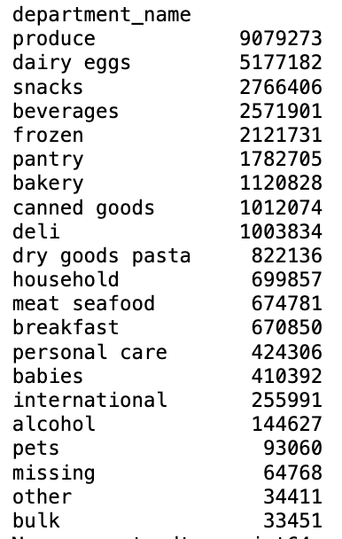

KEY QUESTION 4:
Are there certain types of products that are more popular than others? The marketing and sales teams want to know which departments have the highest frequency of product orders.
KEY QUESTION 3:
Instacart has a lot of products with different price tags. Marketing and sales want to use simpler price range groupings to help direct their efforts.
KEY QUESTION 3:
Instacart has a lot of products with different price tags. Marketing and sales want to use simpler price range groupings to help direct their efforts.

Three separate price range categories were made.
We can see that produce is purchased the most and bulk is purchased the least.
Most products are between $1 and $15.
A few products are priced higher at $15 to $25.

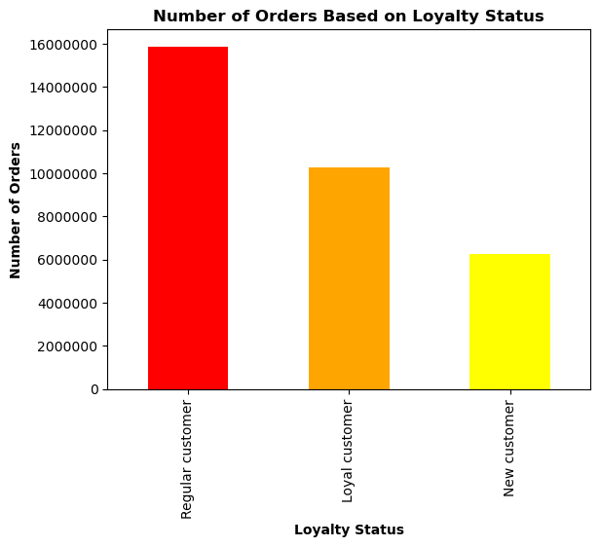

KEY QUESTION 5:
What’s the distribution among users in regards to their brand loyalty (i.e., how often do they return to Instacart)?
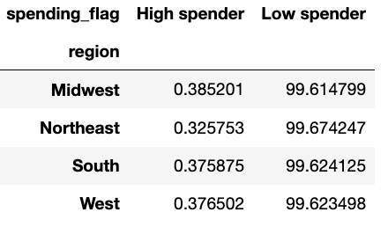
KEY QUESTION 7:
Are there differences in ordering habits based on a customer’s region?

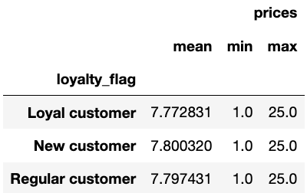
KEY QUESTION 6:
Are there differences in ordering habits based on a customer’s loyalty status?

Essentially no difference in spending habits based on a customer's region.
Majority of orders are by regular customers.
New customers make up the least amount of orders.
Loyal customers are in the middle in regard to order count.

No difference in ordering habits based on a customer's loyalty status.

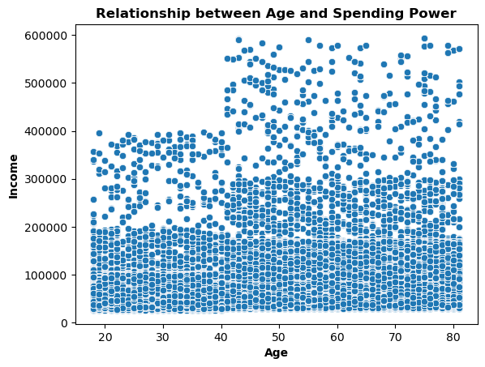
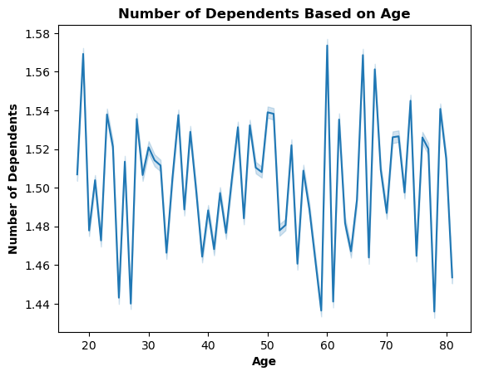

KEY QUESTION 9:
What different classifications does the demographic information suggest? Age? Income? Certain types of goods? Family status?
KEY QUESTION 8:
Is there a connection between age and family status in terms of ordering habits?

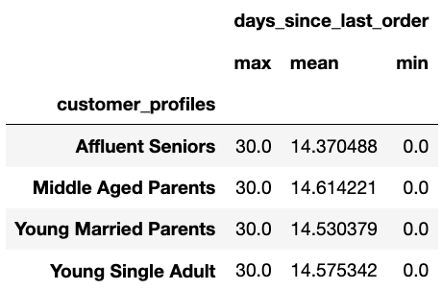
KEY QUESTION 10:
What differences can you find in ordering habits of different customer profiles? Consider the frequency of orders.

No correlation between age and number of dependents
People aged 18-40 have a lower income when compared those above 40.
People aged 18-40 have an income of less than 400,000.
People above the age of 40 have an income of up to 600,000.

In regard to usage frequency, there is essentially no difference between the customer profiles.

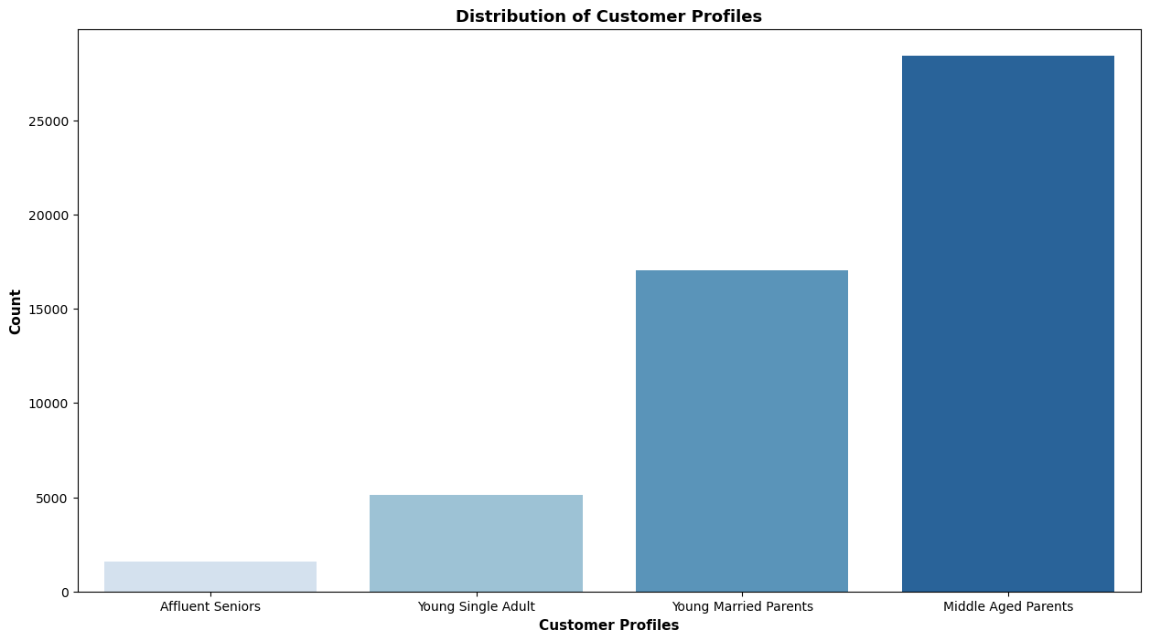

KEY QUESTION 9:
What different classifications does the demographic information suggest? Age? Income? Certain types of goods? Family status?
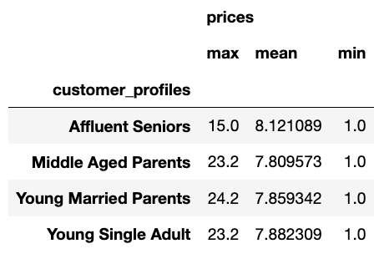
KEY QUESTION 10:
What differences can you find in ordering habits of different customer profiles? Consider the price of orders.

We can see that affluent seniors, on average, spend a bit more than the younger age groups.

These are the customer profiles that were made based on the different criteria in the data set.

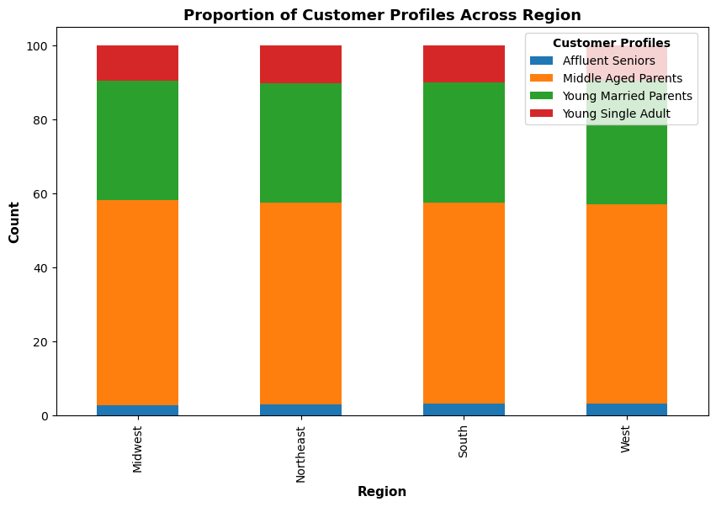

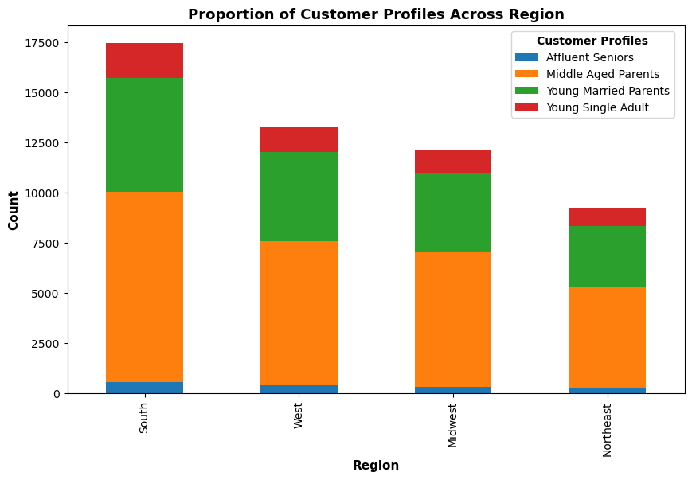

EX 1.8:
Compare your customer profiles with region
EX 1.8:
Compare your customer profiles with region

No difference in customer profiles across different regions.
We can see that middle aged parents have the highest population across all regions, followed by young married parents, young single adults, and then affluent seniors.

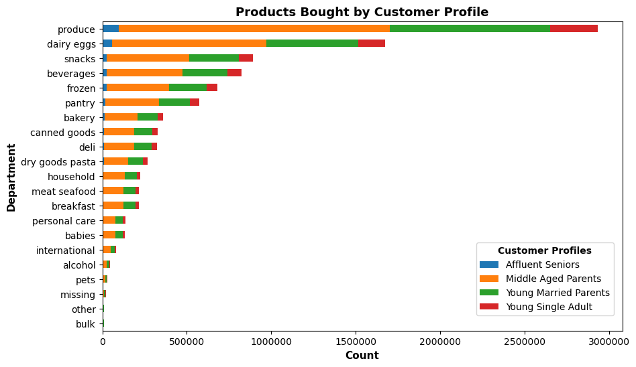

KEY QUESTION 10:
What differences can you find in ordering habits of different customer profiles? Consider the products that customers are ordering.

We can see that produce is purchased the most and bulk is purchased the least between the customer profiles.

7. Recommendations
 |  |  |  | Title page

Recommendations

In this tab you should include any recommendations you would made to Instcart in terms of their marketing strategy based on the questions posed in the brief. Every key question has been covered in the Tasks of the Exercises - here you need to add an item - a visualisation or table/crosstable that is showing the answer in the data, acompanied by a comment from you. Please, list the questions below and add the answer underneath.

QUESTION # | QUESTION | VISUALIZATION | ANSWER/RECOMMENDATION
1 | The sales team needs to know what the busiest days of the week and hours of the day are (i.e., the days and times with the most orders) in order to schedule ads at times when there are fewer orders. |  | Days of the Week: 0 = Saturday 4 = Wednesday 1 = Sunday 5 = Thursday 2 = Monday 6 = Friday 3 = Tuesday The busiest days of the week are Saturday and Sunday. The slowest days of the week are Tuesday and Wednesday. So, I would recommend for ads to be scheduled on Tuesdays and Wednesdays.
1 | The sales team needs to know what the busiest days of the week and hours of the day are (i.e., the days and times with the most orders) in order to schedule ads at times when there are fewer orders. |  | Slowest hours of the day are from 12 am - 6 am. Busiest hours of the day are from 10 am - 4 pm. Most orders placed at 10 am & 11 am. I would recommend ads to be scheduled from 12 am - 6 am.
2 | They also want to know whether there are particular times of the day when people spend the most money, as this might inform the type of products they advertise at these times. |  | Expenditure is highest at 3 am and 10 pm. Expenditure is lowest at 1 am & 10 am. Expenditure highest between 10 pm and 7 am. I would advertise products that aren't selling as much from 10 pm - 7 am.
3 | Instacart has a lot of products with different price tags. Marketing and sales want to use simpler price range groupings to help direct their efforts. |  | Three separate price range categories were made to group together all the different prices of products. Mid-range product = between $5 and $15 Low-range product = less than $5 High-range product = more than $15 Most products fall within mid-range, with the least products falling within high-range.
4 | Are there certain types of products that are more popular than others? The marketing and sales teams want to know which departments have the highest frequency of product orders. |  | Produce, dairy eggs, and snacks are purchased the most, while bulk and other items are purchased the least. I would recommend advertising or providing deals on products that do not sell as much.
5 | What’s the distribution among users in regards to their brand loyalty (i.e., how often do they return to Instacart)? |  | Majority of orders are by regular customers. New customers make up the least amount of orders. Loyal customers are in the middle in regard to order count. I would provide more ads or provide more deals to new customers to increase their orders made with the platform. I would also make some sort of loyalty program for the loyal customers to increase retention.
6 | Are there differences in ordering habits based on a customer’s loyalty status? |  | There is essentially no difference in ordering habits based on a customer's loyalty status. Customers seem to have the same expenditure when it comes to items.
7 | Are there differences in ordering habits based on a customer’s region? |  | Essentially no difference in spending habits based on a customer's region. Customers, no matter the region, tend to spend similar amounts.
8 | Is there a connection between age and family status in terms of ordering habits? |  | There is no correlation or connection between age and family status as seen by this line chart displaying age and number of dependents.
9 | What different classifications does the demographic information suggest? Age? Income? Certain types of goods? Family status? |  | From the criteria, the following customer profiles were generated: affluent seniors, young single adults, middle aged parents, and young married parents. Young single adults and affluent seniors have no dependents, while young and middle aged parents do. These profiles encompass different age ranges, income, number of dependents, and family status. There are majority middle aged parents with a low number of affluent seniors.
10 | What differences can you find in ordering habits of different customer profiles? Consider the price of orders, the frequency of orders, the products customers are ordering, and anything else you can think of. |  | We can see that affluent seniors, on average, spend a bit more than the younger age groups. This makes sense being that they have a greater amount of income.
10 | What differences can you find in ordering habits of different customer profiles? Consider the price of orders, the frequency of orders, the products customers are ordering, and anything else you can think of. |  | In regard to usage frequency, there is essentially no difference between the customer profiles.
10 | 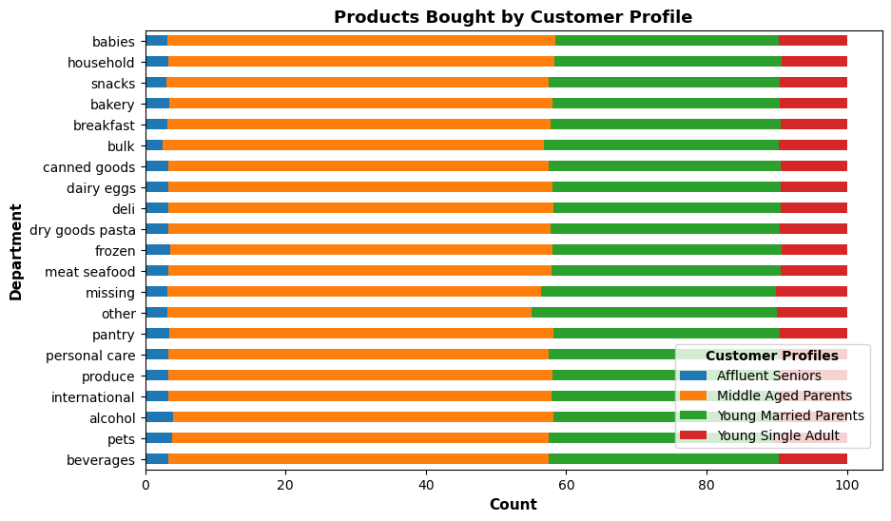 What differences can you find in ordering habits of different customer profiles? Consider the price of orders, the frequency of orders, the products customers are ordering, and anything else you can think of. |  | We can see that produce is purchased the most and bulk is purchased the least between the customer profiles. In addition, there is essentially no difference between customer profiles in regard to the products that they are ordering. All the customer profiles seem to be ordering similar products, at similar rates.

